SUMMARY -TABLE
Energy Savings Assistance Program
And
California Alternate Rates for Energy Program
SOUTHERN CALIFORNIA GAS COMPANY
PY 2017 Summary Highlights
ESA Program

2017 Energy Savings Assistance Program Summary
2017 | Authorized / Planning Assumptions | Actual | %
Budget | $133,369,265 | $79,364,204 | 60%
Funded from 2009-2016 Unspent Funds | $86,474,277 | $17,520 | 0%
Summary Homes Treated | 110,000 | 93,790 | 85%
Summary kWh Saved | N/A | N/A | N/A
Summary kW Demand Reduced | N/A | N/A | N/A
Summary Therms Saved | 4,670,503 | 1,552,610 | 33%
First Touches Homes Treated | 82,500 | 35,366 | 43%
- kWh Saved | N/A | N/A | N/A
- kW Demand Reduced | N/A | N/A | N/A
- Therms Saved | 3,502,877 | 607,583 | 17%
Go-Backs/Retreated Homes | 27,500 | 58,424 | 212%
- kWh Saved | N/A | N/A | N/A
- kW Demand Reduced | N/A | N/A | N/A
- Therms Saved | 1,167,626 | 947,027 | 81%
Note: The authorized budget and values shown for planning assumptions are from SoCalGas' Conforming Advice Letter 5111-A filed on April 4, 2017 and authorized by Commission Resolution G-3532 dated December 14, 2017.

CARE Program

2017 CARE Program Summary
2017 | Authorized Budget | Actual | %
Administrative Expenses | $10,091,122 | $8,530,791 | 85%
Subsidies | $128,608,105 | $105,702,810 | 82%
Service Establishment Charge | $2,730,430 | $2,258,148 | 83%
Total Program Costs and Discounts | $141,429,657 | $116,491,749 | 82%
2017 CARE New Enrollments | Automatically Enrolled via Data Sharing, ESA Participation, etc | Self Certified as Categorically Eligible | Self Certified as Income Eligible
Method | 88,328 | 124,156 | 58,158
2017 CARE Penetration | Estimated Eligible Participants | Participants | Penetration Rate
Total Enrolled | 1,819,451 | 1,564,126 | 86%

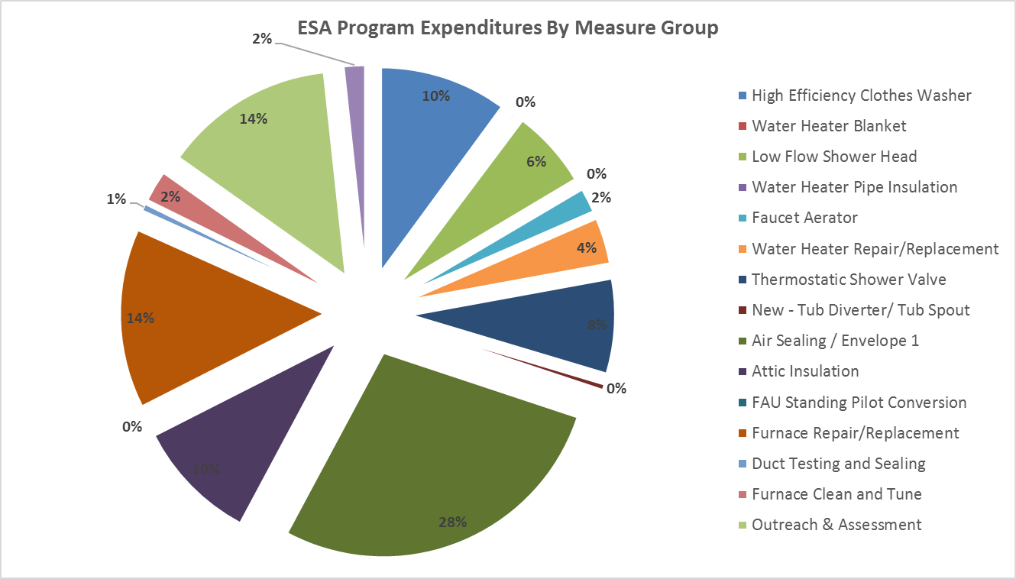

Measure | %
#REF! | #REF!
#REF! | #REF!
#REF! | #REF!
#REF! | #REF!
#REF! | #REF!
#REF! | #REF!
#REF! | #REF!
#REF! | #REF!
#REF! | #REF!
#REF! | #REF!
#REF! | #REF!
#REF! | #REF!
#REF! | #REF!
#REF! | #REF!
#REF! | #REF!
#REF! | #REF!

Total | #REF!

ESA-Table 1
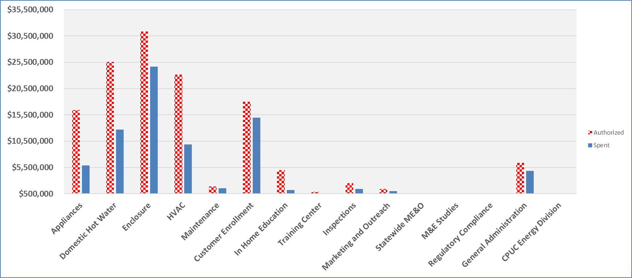
PY 2017 Energy Savings Assistance Program Annual Report ESA Program Table 1 ESA Program Overall Program Expenses SOUTHERN CALIFORNIA GAS COMPANY
 | 2017 Authorized Budget 1 |  |  | 2017 Annual Expenses |  |  | % of Budget Spent
ESA Program: | Electric | Gas | Total | Electric | Gas | Total | Electric | Gas | Total
Energy Efficiency
Appliances | N/A | $16,450,664 | $16,450,664 | N/A | $5,896,013 | $5,896,013 | N/A | 36% | 36%
Domestic Hot Water | N/A | $25,541,417 | $25,541,417 | N/A | $12,726,839 | $12,726,839 | N/A | 50% | 50%
Enclosure | N/A | $31,356,733 | $31,356,733 | N/A | $24,670,314 | $24,670,314 | N/A | 79% | 79%
HVAC | N/A | $23,190,540 | $23,190,540 | N/A | $9,853,571 | $9,853,571 | N/A | 42% | 42%
Maintenance | N/A | $1,922,439 | $1,922,439 | N/A | $1,562,231 | $1,562,231 | N/A | 81% | 81%
Lighting | N/A | $- | $- | N/A | $- | $- | N/A | 0% | 0%
Miscellaneous | N/A | $- | $- | N/A | $- | $- | N/A | 0% | 0%
Customer Enrollment | N/A | $17,994,860 | $17,994,860 | N/A | $14,944,679 | $14,944,679 | N/A | 83% | 83%
In Home Education | N/A | $5,021,521 | $5,021,521 | N/A | $1,205,454 | $1,205,454 | N/A | 24% | 24%
Pilot | N/A | $- | $- | N/A | $- | $- | N/A | 0% | 0%
Energy Efficiency TOTAL | N/A | $121,478,173 | $121,478,173 | N/A | $70,859,101 | $70,859,101 | N/A | 58% | 58%

Training Center | N/A | $901,998 | $901,998 | N/A | $618,329 | $618,329 | N/A | 69% | 69%
Inspections | N/A | $2,509,088 | $2,509,088 | N/A | $1,452,338 | $1,452,338 | N/A | 58% | 58%
Marketing and Outreach | N/A | $1,450,000 | $1,450,000 | N/A | $991,272 | $991,272 | N/A | 68% | 68%
Statewide Marketing Education and Outreach | N/A | $- | $- | N/A | $- | $- | N/A | 0% | 0%
Measurement and Evaluation Studies 2 | N/A | $115,625 | $115,625 | N/A | $192,970 | $192,970 | N/A | 167% | 167%
Regulatory Compliance | N/A | $471,807 | $471,807 | N/A | $307,039 | $307,039 | N/A | 65% | 65%
General Administration | N/A | $6,356,574 | $6,356,574 | N/A | $4,890,804 | $4,890,804 | N/A | 77% | 77%
CPUC Energy Division | N/A | $86,000 | $86,000 | N/A | $52,352 | $52,352 | N/A | 61% | 61%

TOTAL PROGRAM COSTS | N/A | $133,369,265 | $133,369,265 | N/A | $79,364,204 | $79,364,204 | N/A | 60% | 60%
Funded Outside of ESA Program Budget
Indirect Costs |  |  |  |  | $2,624,550 | $2,624,550
NGAT Costs |  |  |  | $- | $2,071,063 | $2,071,063

1 Reflects the funding authorized in D.16-11-022 per year and updated in Commission Resolution G-3532 dated December 14, 2017 which addressed SoCalGas' Conforming Advice Letter 5111-A filed on April 4, 2017. Budget does not reflect $4.5M for Multi-Family or $261K for CSD also approved in Resolution G-3532 for a total approved budget of $138,130,301.
2 Measurement and Evaluation studies authorized 2017 - 2020 budget is $500K. See ESA Table 12.

Bar Chart 1 - Total Spent vs. Authorized by Category

ESA-Table 6
PY 2017 Energy Savings Assistance Program Annual Report ESA Program Table 6 ESA Program Installation Cost of Program Installation Contractors 1 SOUTHERN CALIFORNIA GAS COMPANY
 | Unit of Measure | CBO/WMDVBE |  |  |  |  |  | Non-CBO/WMDVBE |  |  |  |  |  | 2017 Program Total
 |  | Installations |  | Dwellings |  | Costs |  | Installations |  | Dwellings |  | Costs |  | Units Installed | Households | Costs 2 | Cost/ Unit | Cost/ Household
 |  | Units | % | Units | % | $ | % | Units | % | Units | % | $ | %
Dwellings | Each | 74,750 | 80% | 74,750 | 80% | $45,710,449 | 67% | 19,040 | 20% | 19,040 | 20% | $22,909,217 | 33% | 93,790 | 93,790 | $68,619,665 | $732 | $732
Appliances
High Efficiency Clothes Washer | Each | - | 0% | - | 0% | - | 0% | 7,928 | 100% | 7,928 | 100% | 6,285,563 | 100% | 7,928 | 7,928 | $6,285,563 | $793 | $793
Refrigerators (N/A) | Each |  |  |  |  |  |  |  |  |  |  |  |  | - | - | $- | $- | $-
Microwaves (N/A) | Each |  |  |  |  |  |  |  |  |  |  |  |  | - | - | $- | $- | $-
Domestic Hot Water
Water Heater Blanket | Home | 946 | 46% | 946 | 46% | 54,027 | 46% | 1,100 | 54% | 1,100 | 54% | 62,981 | 54% | 2,046 | 2,046 | $117,008 | $57 | $57
Low Flow Shower Head | Home | 88,008 | 71% | 63,936 | 73% | 2,733,056 | 71% | 36,383 | 29% | 23,508 | 27% | 1,136,515 | 29% | 124,391 | 87,444 | $3,869,571 | $31 | $44
Water Heater Pipe Insulation | Home | 1,247 | 57% | 1,156 | 57% | 25,588 | 57% | 940 | 43% | 883 | 43% | 19,553 | 43% | 2,187 | 2,039 | $45,142 | $21 | $22
Faucet Aerator | Home | 123,514 | 74% | 62,805 | 75% | 903,040 | 74% | 42,522 | 26% | 21,085 | 25% | 310,758 | 26% | 166,036 | 83,890 | $1,213,797 | $7 | $14
Water Heater Repair/Replacement | Each | 1,248 | 82% | 1,248 | 82% | 1,860,805 | 81% | 281 | 18% | 280 | 18% | 426,717 | 19% | 1,529 | 1,528 | $2,287,521 | $1,496 | $1,497
Thermostatic Shower Valve | Each | 74,099 | 70% | 54,351 | 73% | 3,293,535 | 70% | 31,404 | 30% | 20,571 | 27% | 1,394,546 | 30% | 105,503 | 74,922 | $4,688,081 | $44 | $63
New - Combined Showerhead/TSV (N/A) | Each
New - Heat Pump Water Heater (N/A) | Each
New - Tub Diverter/ Tub Spout | Each | 2,558 | 92% | 2,197 | 93% | 271,487 | 92% | 218 | 8% | 172 | 7% | 23,003 | 8% | 2,776 | 2,369 | $294,489 | $106 | $124
New - Thermostat-controlled Shower Valve | Each
Enclosure
Air Sealing / Envelope | Home | 52,955 | 72% | 52,955 | 72% | 12,154,122 | 70% | 20,847 | 28% | 20,847 | 28% | 5,163,414 | 30% | 73,802 | 73,802 | $17,317,536 | $235 | $235
Attic Insulation | Home | 2,656 | 55% | 2,656 | 55% | 3,199,902 | 53% | 2,139 | 45% | 2,139 | 45% | 2,855,601 | 47% | 4,795 | 4,795 | $6,055,503 | $1,263 | $1,263
HVAC
FAU Standing Pilot Light Conversion | Each | 10 | 77% | 9 | 75% | 3,307 | 78% | 3 | 23% | 3 | 25% | 921 | 22% | 13 | 12 | $4,228 | $325 | $352
Furnace Repair/Replacement | Each | 5,797 | 87% | 5,622 | 87% | 7,488,026 | 84% | 881 | 13% | 869 | 13% | 1,379,707 | 16% | 6,678 | 6,491 | $8,867,733 | $1,328 | $1,366
Room A/C Replacement (N/A) | Each
Central A/C Replacement (N/A) | Each
Heat Pump Replacement (N/A) | Each
Evaporative Coolers (Replacement) (N/A) | Each
Evaporative Coolers (Installation) (N/A) | Each
Duct Testing and Sealing (N/A) | Home
New - Energy Efficient Fan Control (N/A) | Home
New - Prescriptive Duct Sealing (N/A) | Home
New - High Efficiency Forced Air Unit (HE FAU) (N/A) | Home
New - A/C Time Delay (N/A) | Home
Maintenance
Furnace Clean and Tune | Home | 21,296 | 74% | 20,769 | 74% | 1,136,180 | 73% | 7,601 | 26% | 7,221 | 26% | 420,497 | 27% | 28,897 | 27,990 | $1,556,678 | $54 | $56
Central A/C Tune-up (N/A) | Home
Evaporative Cooler Maintenance (N/A) | Home
Lighting
Compact Fluorescent Lights (CFLs) (N/A) | Each
Interior Hard wired CFL fixtures (N/A) | Each
Exterior Hard wired CFL fixtures (N/A) | Each
Torchiere (N/A) | Each
Occupancy Sensor (N/A) | Each
LED Night Lights (N/A) | Each
New - LED Diffuse Bulb (60W Replacement) (N/A) | Each
New - LED Reflector Bulb (N/A) | Each
New - LED Reflector Downlight Retrofit Kits (N/A) | Each
New - LED A-Lamps (N/A) | Each
Miscellaneous
Pool Pumps (N/A) | Each
Smart Power Strips (N/A) | Each
New - Smart Power Strips - Tier 2 (N/A) | Each
Ancillary Services
Commissioning | Home
Audit | Home
Administration | Home
Pilots
 | Each
Note: Per D.00-07-020, if any utility has a single CBO or private contractor, such that this table would reveal confidential pricing information, the information will be submitted to the Commission, subject to Commission-approved confidentiality agreements.
Note: Per D.00-07-020, if any utility has a single CBO or private contractor, such that this table would reveal confidential pricing information, the information will be submitted to the Commission, subject to Commission-approved confidentiality agreements.
Note: Per D.00-07-020, if any utility has a single CBO or private contractor, such that this table would reveal confidential pricing information, the information will be submitted to the Commission, subject to Commission-approved confidentiality agreements.
Note: Per D.00-07-020, if any utility has a single CBO or private contractor, such that this table would reveal confidential pricing information, the information will be submitted to the Commission, subject to Commission-approved confidentiality agreements.
 | Each
Customer Enrollment
Outreach & Assessment | Home | 74,750 | 80% | 74,750 | 80% | 11,680,632 | 78% | 19,040 | 20% | 19,040 | 20% | 3,207,815 | 22% | 93,790 | 93,790 | $14,888,447 | $159 | $159
In-Home Education | Home | 60,470 | 80% | 60,470 | 80% | 906,743 | 80% | 14,790 | 20% | 14,790 | 20% | 221,625 | 20% | 75,260 | 75,260 | $1,128,368 | $15 | $15

1 Summary data which includes ESA Program, CSD Leveraging, and MF Common Area efforts.
2 The Total Savings/Expenditures amount does not include credits, expenses, or required adjustments that are reflected in ESA Program Table 1.
Note: The applicable MF common area measures will need to be reflected in the appropriate subsections above.

ESA-Table 15-Lighting
PY 2017 Energy Savings Assistance Program Annual Report
ESA Program Table 15
Lighting 1
SOUTHERN CALIFORNIA GAS COMPANY
ESA Program CFL Tracking Table
Instructions: Please identify the CFL bulbs used within your ESA program and fill in the remaining columns for each
Bulb Name / Identification | Bulb Description (wattage, lumens) | Bulb Cost (material) | Admin Cost (overhead, contractor fee, marketing, etc.) | Total Bulb Cost (material + admin) 2 | AB 1109 Compliant? 3

Not Applicable to SCG

Year | Number of Homes Treated in ESA Program | Number of Homes Provided CFLs | Avg. # of CFL bulbs given per home | Est. total energy savings from installed CFLs 4
2009
2010
2011
2012
2013
2014
2015
2016
2017

1 Summary data which includes ESA Program, CSD Leveraging, and MF efforts.
2 Bulb cost and admin cost were combined effective 2013.
3 Compliant in regards to: 1) Do bulbs meet or exceed CEC energy efficiency standards for general purpose lighting?
Do all models comply with Europe's RoHS standards on toxicity?
4 Ordering Paragraph 34 of D.14-08-030 adopts the 2013 ESA Impact Evaluation. The results from that study were used in this Annual Report.
Note: This Table should be used for 2017 and not applicable with 2018 activity pursuant to D.16-11-022 directive.

CARE- Table 1
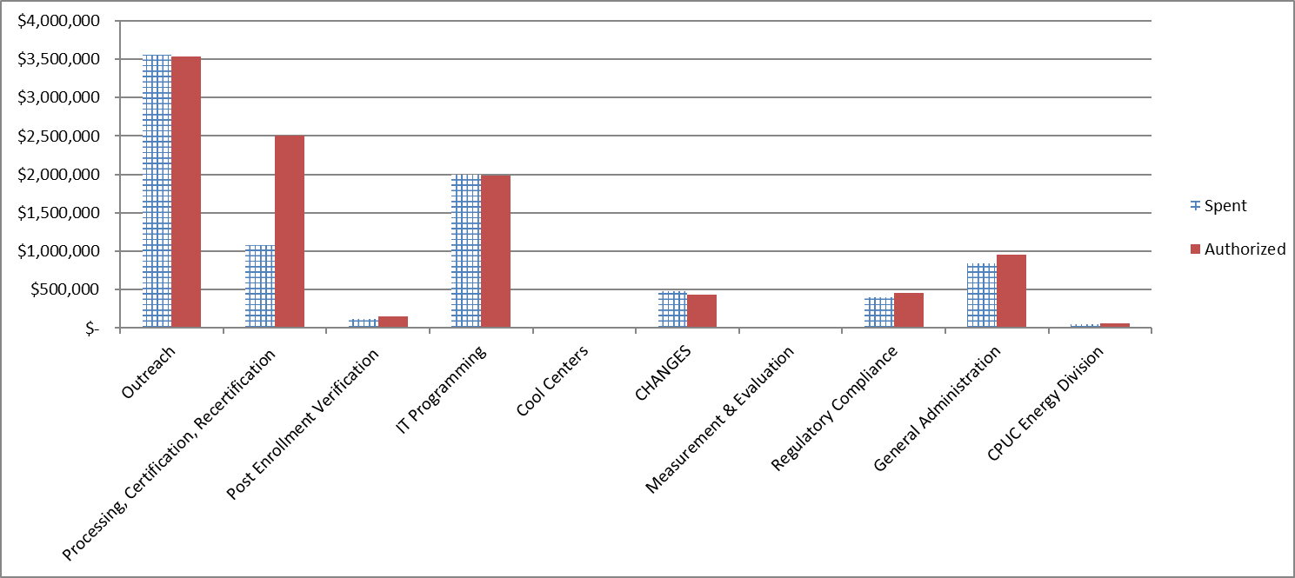
PY 2017 CARE Annual Report
CARE Table 1
Overall Program Expenses
SOUTHERN CALIFORNIA GAS COMPANY
Category | Overall Expenditures |  | Total | Authorized Budget 1 | % of Budget Spent | Total Shifted | Shifted to/From/Other Comments?
 | Electric | Gas
Outreach | $- | $3,560,766 | $3,560,766 | $3,539,732 | 101% | $21,034 | Funds shifted from Processing ,Cert, and Recert.
Processing, Certification, Recertification | $- | $1,076,903 | $1,076,903 | $2,509,631 | 43% | $(31,043) | Funds shifted to Outreach and IT Programming.
Post Enrollment Verification | $- | $122,862 | $122,862 | $148,382 | 83%
IT Programming | $- | $1,997,449 | $1,997,449 | $1,987,440 | 101% | $10,009 | Funds shifted from Processing ,Cert, and Recert.
Cool Centers | $- | $- | $- | $-
CHANGES | $- | $485,007 | $485,007 | $437,502 | 111% | $47,505 | Timing of 2016 payments billed and paid in 2017.
Measurement & Evaluation | $- | $- | $- | $-
Regulatory Compliance | $- | $402,288 | $402,288 | $456,031 | 88%
General Administration | $- | $836,157 | $836,157 | $952,404 | 88%
CPUC Energy Division | $- | $49,359 | $49,359 | $60,000 | 82%

TOTAL Program Costs | $- | $8,530,791 | $8,530,791 | $10,091,122 | 84.54% | $47,505

CARE Rate Discount | $- | $105,702,810 | $105,702,810 | $128,608,105 | 82.19% | $-
Service Establishment Charge Discount | $- | $2,258,148 | $2,258,148 | $2,730,430 | 82.70% | $-

TOTAL PROGRAM COSTS & CUSTOMER DISCOUNTS | $- | $116,491,749 | $116,491,749 | $141,429,657 | 82.37% | $47,505

1 Pursuant to D.16-11-022, the full year total budget has been updated to reflect Jan 2017 - Dec 2017. The Annual budget was approved in Resolution G-3532, D.16-11-022 and D.17-12-009.

Bar Chart 1 - Total Spent vs. Authorized by Category

